Bags
№ | Name | Steps to reproduce | Expected result | Actual result
1 | Sorting not working | 1.Open: http://ec2-34-204-91-224.compute-1.amazonaws.com:8080/ 2.Authorization: login - "problem_user"; password - "secret_sauce" 3.Сhoose a "Z to A" | 1.Site successfully opened 2.Authorization successful 3.Sorting is change on "Z to A" | 1.Site successfully opened 2.Authorization succesful 3.Sorting cannot be selected
2 | Product photo | 1.Open: http://ec2-34-204-91-224.compute-1.amazonaws.com:8080/ 2.Authorization: login - "problem_user"; password - "secret_sauce" 3.Verify product photos | 1.Site successfully opened 2.Authorization successful 3.Product photos are correct | 1.Site successfully opened 2.Authorization succesful 3.Products photos incorrect
3 | Remove from the cart | 1.Open: http://ec2-34-204-91-224.compute-1.amazonaws.com:8080/ 2.Authorization: login - "problem_user"; password - "secret_sauce" 3.Select "Sauce Labs Backpack" on the main page and click on "Add to cart" 5.Click on "Remove" | 1.Site successfully opened 2.Authorization successful 3.Product add to cart 4.Product removed from cart | 1.Site successfully opened 2.Authorization succesful 3.Product add to cart 4.Button "Remove" is not pressed
4 | Redmi note 5 Authorization page | 1.Open: http://ec2-34-204-91-224.compute-1.amazonaws.com:8080/ 2.Pay attention on welcome text 3.Pay attention on batton "Login" 4.Click on batton "Login" | 1.Site successfully opened 2.All page details in the right place 3.Text is easy to read 4.All buttons are clickable | 1.Site successfully opened 2.Page slid to the side 3.Text is not visible 4.Button is not clickable

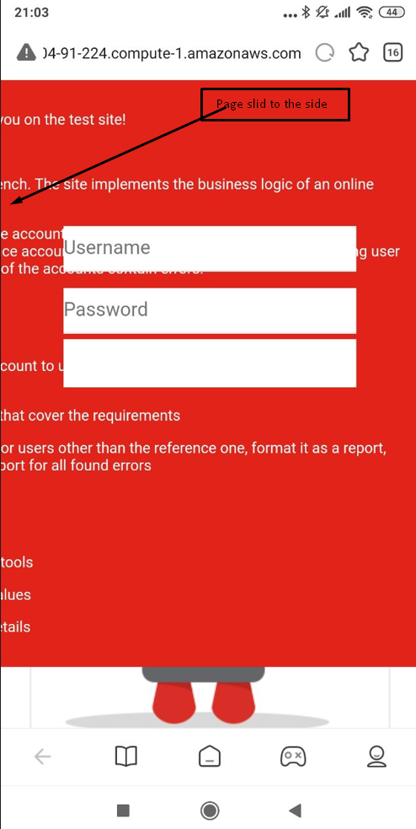
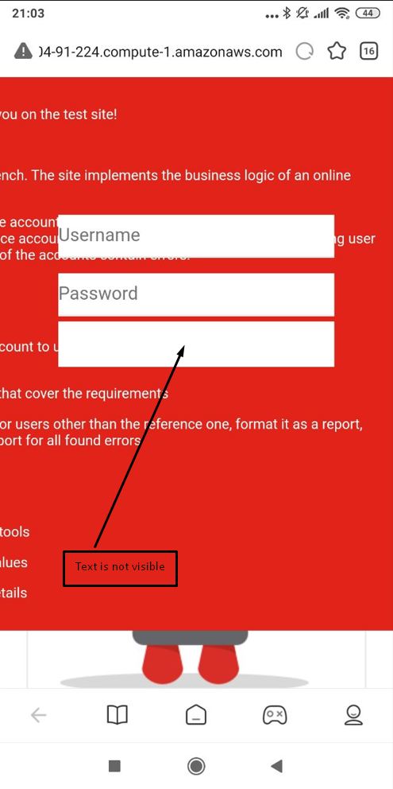
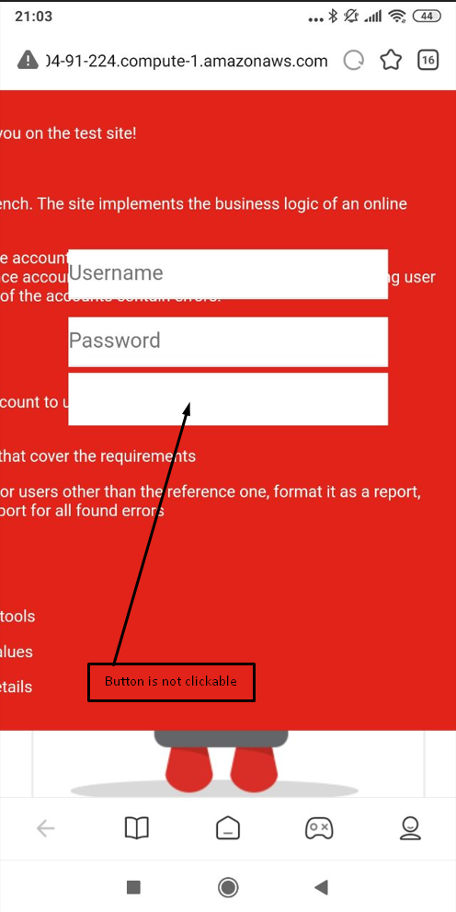
 | 4.Redmi note 5

